SUMMARY ORDER
 |  |  |  | Updated 29.05.2019

EMPORIO ARMANI UNDERWEAR - CARRY OVER

PART | MODEL | COLOR | PHOTO MODEL |  | DESCRIPTION | WHLS | S | M | L | XL | TOT PCS
CC712 | 110869 | 020 BLACK | 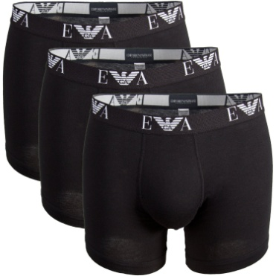 | 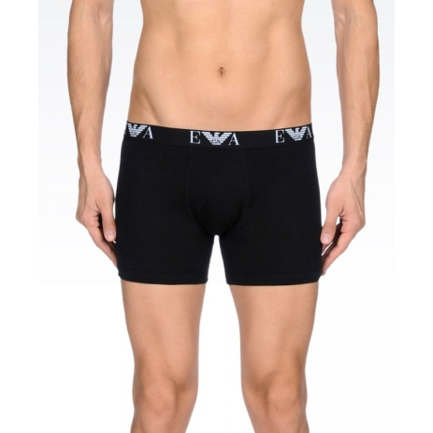 | 3 PACK BOXER | € 22.00 | 264 |  | 1062 | 1009 | 2335
CC717 | 111357 | 0120 BLACK | 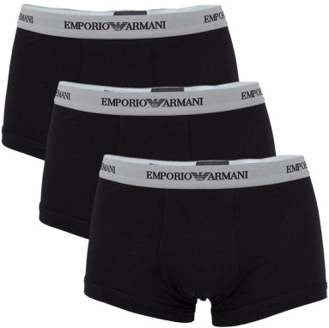 | 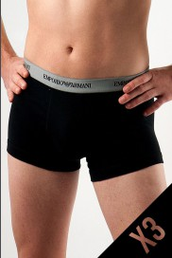 | 3 PACK BOXER | € 18.40 |  | 200 |  |  | 200
 |  |  |  |  |  |  |  |  |  |  | 2535

